Problem1
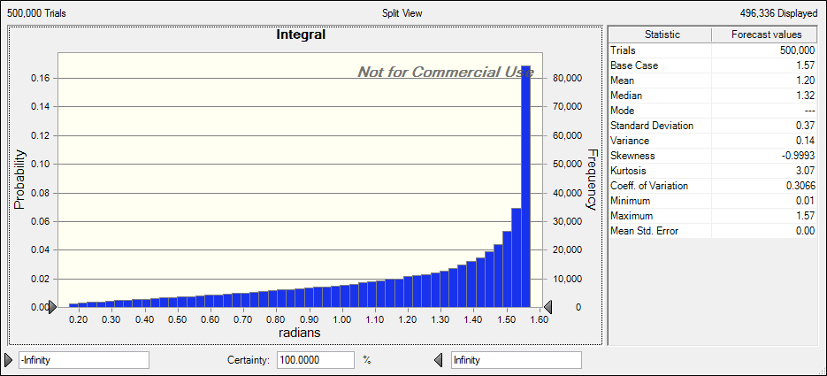
 | B-A | X | Integral
 | 1.5707963268 | 0 | 1.5707963268

B-A: Represents our range for the integral, value of max - min. X: Represents a random value in our range(B-A) Integral: Will randomly calculate the value of many points in the integral, giving us an accurate view of what it looks like thanks to the Monte Carlo effect.

Problem2
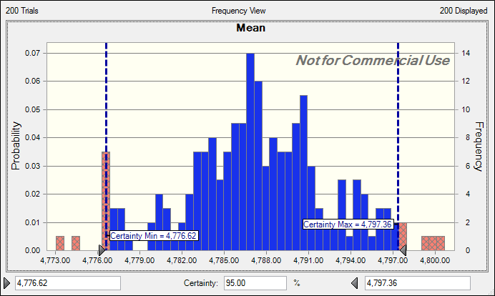
 |  |  |  |  |  |  | Setup Time: Every 100 hundred jobs takes a variable amount of time to setup modeled through a uniform distribution Processing Time: The batch has a fixed processing time of 45 sec per part(45*100) Tool alignment: .5% of the parts will cause a stop lasting anywhere from 1-7min. To simulate this I set a discrete distribution between 1 and 200. If the values falls on 1, we can expect a delay in the machine running time. Movement: Uniform with a min of 30sec and max of 2 min Forecast: Run the program for 100,000 batches and see the results. An if statement decides whether or not to include the machine running time. Simply, it is included if the tool alignment falls on a 1.

Lot size |  | Setup Time(sec) | Processsing time(sec) | Tool alignment Chance | Machine running(sec) | Movement
100 jobs |  | 0 | 4500 | 0 | 0 | 0

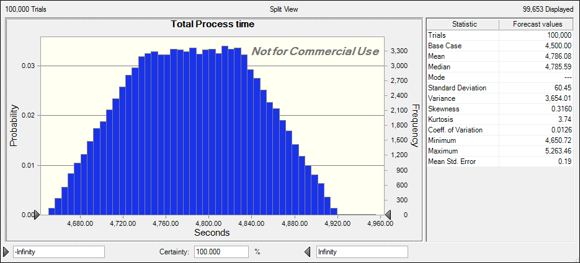
Total Process time |  |  |  | a,b)
4500

c)
Percentiles | Total Process time
90% | 4,864.41

d)
95% conf interval
Min: | Max:
4776.62 | 4797.36

Problem3
 | car stats | Pre-Pay | Fill | Fail to fill
mpg | 25 | $70 | $2.5/gal | $10/gal | Option 1: | Miles driven | Over 500? | Option 2: | cost<=500 | Miles driven | Cost 500 | Chance fail
tank(g) | 20 |  |  |  |  | 0 | 0 |  | 0 | 0 | 50 | 0 | -50
(start full)
 |  |  |  |  |  |  |  |  |  | Singular1k case(binary) |  | normal case>500
 |  |  |  |  |  |  |  |  |  | 0 |  | 0

 |  |  |  |  |  | Total Cost
 |  |  |  |  |  | $70
Option 1: Simple if statement summing initial $70 + the random variable if the miles driven is over 500 Option 2: Everything is very messy but it works through a series of if statements and binary 1 and 0 gates. Particularly, the interesting case is if you hit exactly $1000 because then you have the chance of filling the car up completely twice. I assumed there was the possibility of him not being able to automatically fill up even if he hit the $1000 mark. Regularly though, there is an if statement checking if the cost is over $500 or under. If over we subtract the value from $500 and find the cost of that + the initial $50 for the 500 miles gone which is a fixed amount. The final cose is =500. If this is true then we just find the cost for his total miles. For each case however there is the possibility of him not making it back in time using a discrete distribution between 1 and 4. |  |  |  |  |  |  |  |  | Worst case1k
 |  |  |  |  |  |  |  |  | 0
 |  |  |  |  |  |  |  |  | Result | Total Cost 1k
 |  |  |  |  |  |  |  |  | 0 | 0
 |  |  |  |  |  |  |  | 1k cost used: | 0
 |  |  |  |  |  |  |  |  |  | FINALLY(TC)
 |  |  |  |  |  | Difference |  |  |  | 0
 |  |  |  |  |  | $70

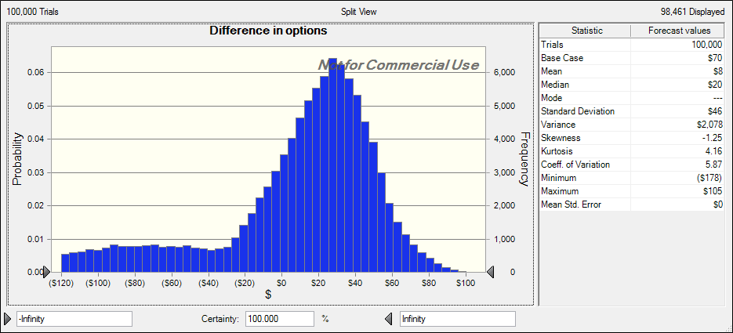

 |  |  | Part b)
 |  |  | About 33%

